Non-craft
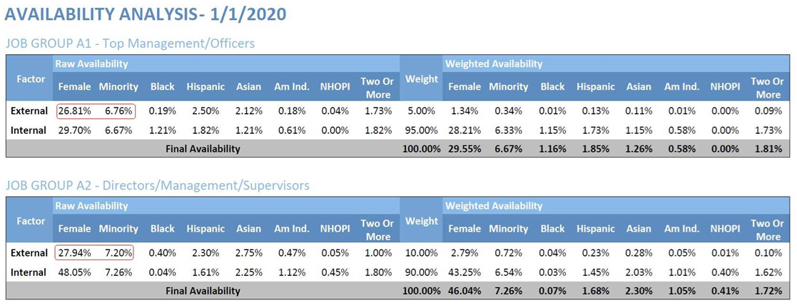
Spokane County, Washington
 |  |  |  | Average per Quarter |  |  | Average Annual Earnings
 | Industry | Gender | Employment | New Hires | Separations | Turnover | Stable Jobs | New Stable Jobs | Percentage
 | Total - All Industries1 | Male | 112,347 | 19,150 | 20,537 | 9.9% | $59,789 | $38,706 | 50.19%
 | Total - All Industries1 | Female | 111,491 | 16,989 | 18,022 | 9.5% | $43,841 | $29,752 | 49.81%
 | Total - All Industries1 | Male and Female | 223,838 | 36,138 | 38,559 | 9.7% | $51,811 | $34,284

Source: JobsEQ®
Data are for the four quarters ending 2018Q4
Note: Figures may not sum due to rounding. Demographic details for NAICS 4851, 4911, 485 and 491 may be severely distorted due to limited source data availability.
1. Total industry figures don't reflect employment in unclassified industries (NAICS 9999).
Exported on: Wednesday, July 8, 2020 3:52 PM

Spokane County, Washington
 |  |  |  | Average per Quarter |  |  | Average Annual Earnings
 | Industry | Race | Employment | New Hires | Separations | Turnover | Stable Jobs | New Stable Jobs | Percentage
 | Total - All Industries1 | White Alone | 199,472 | 30,119 | 32,569 | 9.3% | $52,553 | $34,611 | #DIV/0!
 | Total - All Industries1 | Black or African American Alone | 6,291 | 2,094 | 2,074 | 16.3% | $40,268 | $29,833 | #DIV/0!
 | Total - All Industries1 | American Indian or Alaska Native Alone | 3,341 | 834 | 848 | 13.0% | $41,408 | $29,015 | #DIV/0!
 | Total - All Industries1 | Asian Alone | 6,714 | 1,184 | 1,172 | 10.6% | $57,006 | $42,944 | #DIV/0!
 | Total - All Industries1 | Native Hawaiian or Other Pacific Islander Alone | 1,039 | 266 | 259 | 14.0% | $35,963 | $29,488 | #DIV/0!
 | Total - All Industries1 | Two or More Race Groups | 6,981 | 1,641 | 1,636 | 13.1% | $41,465 | $28,741 | #DIV/0!
 | Total - All Industries1 | All Races Together | 223,838 | 36,138 | 38,559 | 9.7% | $51,811 | $34,284

Source: JobsEQ®
Data are for the four quarters ending 2018Q4
Note: Figures may not sum due to rounding. Demographic details for NAICS 4851, 4911, 485 and 491 may be severely distorted due to limited source data availability.
1. Total industry figures don't reflect employment in unclassified industries (NAICS 9999).
Exported on: Wednesday, July 8, 2020 3:52 PM

Supplier Diveresity
 | 2020 | 2021 (YTD Thru June)
Supplier Diversity % | 1.6% | 5.9%
Small Business % | 5.6% | 6.7% | Diversity, Small Business & Community Spend (%)
Community % | 16.0% | 19.2%

